faculty list
PCET's
Pune Business School
Human Capital (Full Time Faculty List)

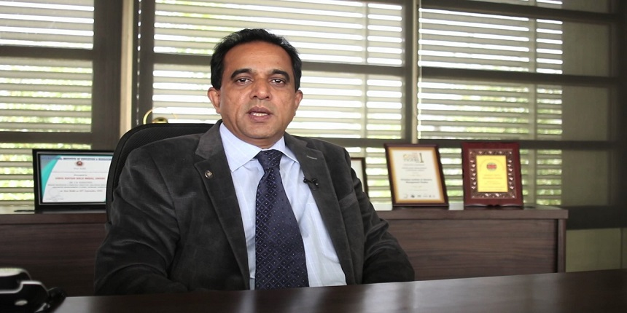
Sr. No | Name of the faculty | Qualification & Experience Details | Work Experience | Subject Area | Details ( Please copy from below Link)
1 | Dr. C.N.Narayana Director Human Resource Management | B.com,MMM,executive MBA,Ph.D (Human Resource Management | 30+ years | Human Resource Management, Change Management and Organizational Development
2 | Dr. Swapnali Kulkarni Marketing Management | B.Tech (AE), M.Tech (Gold Medalist), MMM, PhD | 11+ years | Marketing Management and Marketing Research | http://www.sbpatilmba.com/faculty-profile-5
3 | Dr.Iram-Sultana Ansari Human Resource Management | B.Pharm, MBA, Ph.D (Human Resource Management) | 8+ years | Organizational Behavior, Labour Laws and Industrial Relation, Training & Development | http://www.sbpatilmba.com/faculty-profile-9
4 | Dr. Aishwarya Gopalakrishnan Finance & International Business | B.com,M.B.A.(Financial Management& International Business Management), Ph.D(Financial Management) | 9+ years | Management Accounting & Control, Financial Management, Banking and International Business studies, Law, Leadership and Training. | http://www.sbpatilmba.com/faculty-profile-14
5 | Dr. Lakshmi Jasti Statistics, Information Technology | B.Sc(Computer Science), M.B.S Information Technology & Human Resource Management,M.Sc statistics,Ph.D | 19+ years | Business Analytics and Programming . | http://www.sbpatilmba.com/faculty-profile-15
6 | Mr. Chetan. Patil Financial Analysis | BE (Mechanical),MBA (Mktg, Finance), | 13+ Years | Financial Analysis | 
7 | Mr. Sanjay. Gaikwad Financial Management | B.Com, MBA (Finance & Marketing) | 13+ Years | Financial Analysis, Costing and Taxation |  | 

